Sheet1
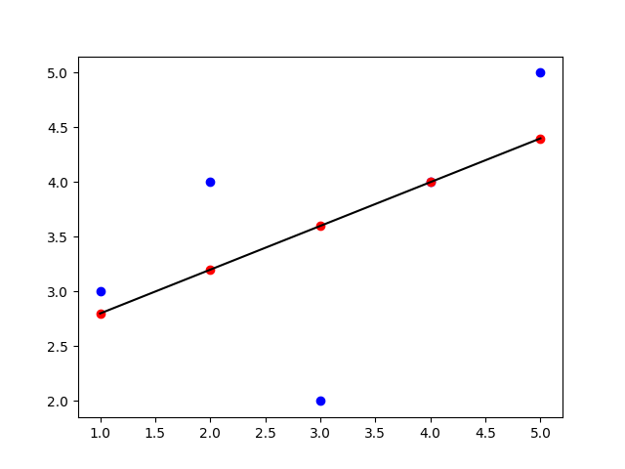
 |  |  |  |  | Simple Linear Regression

 |  |  |  |  |  | y = mx + c

 |  |  |  |  |  | y = d.v.
 |  |  |  |  |  | x = i.v.
 |  |  |  |  |  | m = slope (coef)
 |  |  |  |  |  | c = intercept

 | Σ (x-x̄) (y-ȳ)
 | m = ----------------- |  |  |  |  |  |  | c = ȳ - x̄c
 | Σ(x - x̄)²

 |  | x | y | x-x̄ | y-ȳ | (x-x̄)(y-ȳ) | (x - x̄)²
 |  | 1 | 3 | -2 | -0.6 | 1.2 | 4
 |  | 2 | 4 | -1 | 0.4 | -0.4 | 1
 |  | 3 | 2 | 0 | -1.6 | 0 | 0
 |  | 4 | 4 | 1 | 0.4 | 0.4 | 1
 |  | 5 | 5 | 2 | 1.4 | 2.8 | 4
 | mean | 3 | 3.6 |  |  | Σ = 4 | Σ=10

 | m = 4/10 = 0.4 |  |  |  |  |  | c = 3.6 - (0.4*3) = 2.4

 |  |  |  | y = 0.4 * x + 2.4

Actual : |  | Predicted :
 | 3 |  | Ŷ = 0.4*1 + 2.4 = 2.8 => x=1
 | 4 |  | Ŷ = 0.4*2 + 2.4 = 3.2 => x=2
 | 2 |  | Ŷ = 0.4*3 + 2.4 = 3.6 => x=3
 | 4 |  | Ŷ = 0.4*4 + 2.4 = 4.0 => x=4
 | 5 |  | Ŷ = 0.4*5 + 2.4 = 4.4 => x=5

 |  |  | Actual Data Points
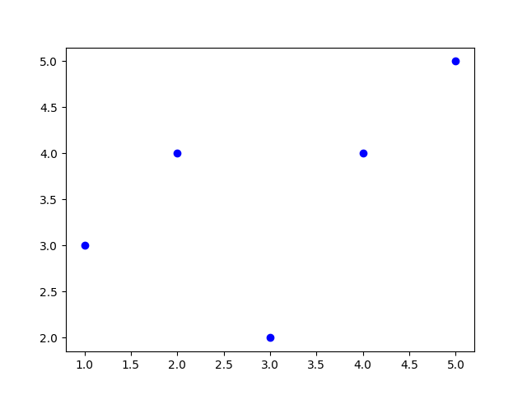

 |  |  | Best Fit Line
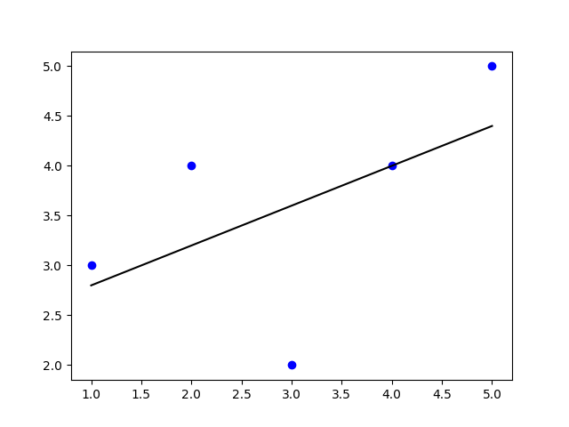

 |  |  | Predicted Data Points

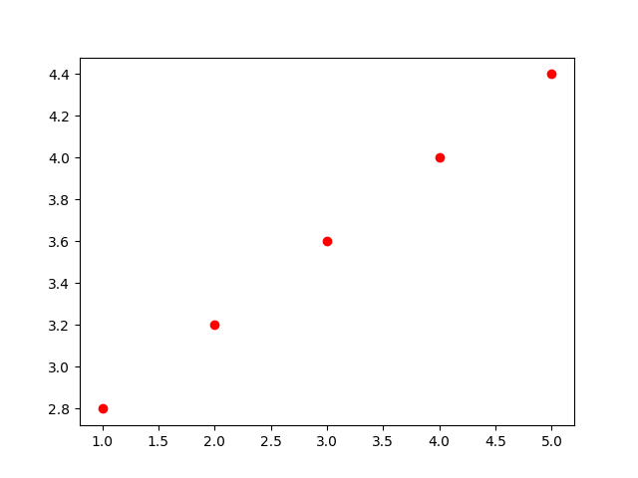

 |  |  | Predicted Data Points on BFL

